RAN - Coverage-Based Site Count
Maximum Allowed Path Loss

Transmitter Power [W] |  | 20
1W to 60W
Transmitter Power [dBm] |  | 43.010
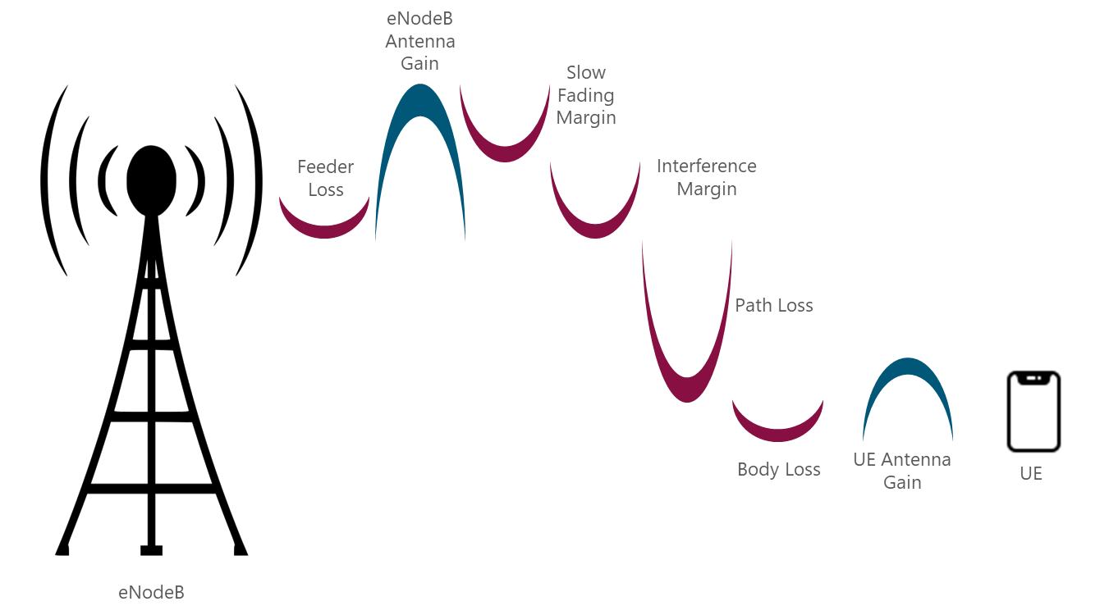
Cell Bandwidth [MHz] |  | 10

Number of Subcerriers |  | 600

Transmitter Power per Subcarrier [dBm] |  | 15.229

Transmitter Feeder Loss [dB] |  | 2
0 dB to 3 dB

Gain of the Base Station Antenna [dBi] |  | 12
Omni Directional Antenna: 6 dBi to 12 dBi
Sectorial Antenna: 10 dBi to 18 dBi

EIRP per Subcarrier [dBm] |  | 25.229

Shadow Margin [dB] |  | 7.689

Shadow Fading Std. Dev. [dB] |  | 6
6 dB in rural enviromenet
10 dB in dense urban enviromenet

Cell-edge coverage probability (%) |  | 0.9
70% to 90%

Minimum required Power at UE antenna |  | -119.00

Interference Margin [dB] |  | 0
0 dB to 3 dB

Receiver Sensitivity [dBm] |  | -120.00
RSRP Sensitivity (Per subcarrier)

Receiver Antenna Gain [dBi] |  | 0
Mobile: - 0 dBi to 1.5 dBi
Fixed: - 0 dBi to 6 dBi

Receiver Body Loss [dB] |  | 1
0 dB to 2 dB

Maximum Allowed Path Loss [dB] |  | 136.539

Cell Radius Calculation

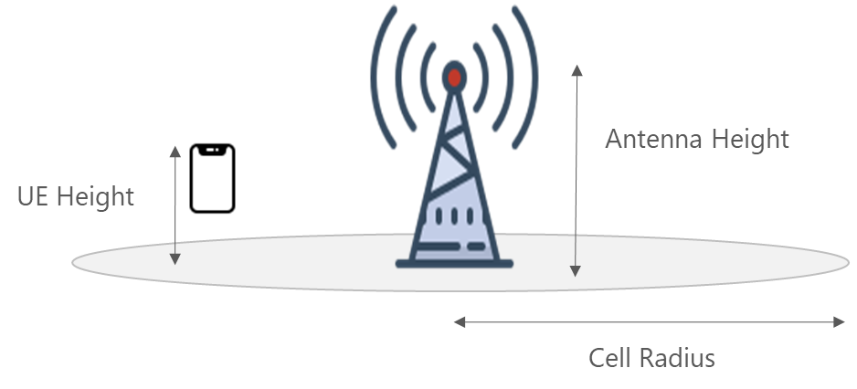
Antenna Height [m] |  | 20

User Equipment Height [m] |  | 1.5

Frequency [MHz] |  | 700

Cell Radius [Km] |  | 5.036

Coverage-Based Site Count

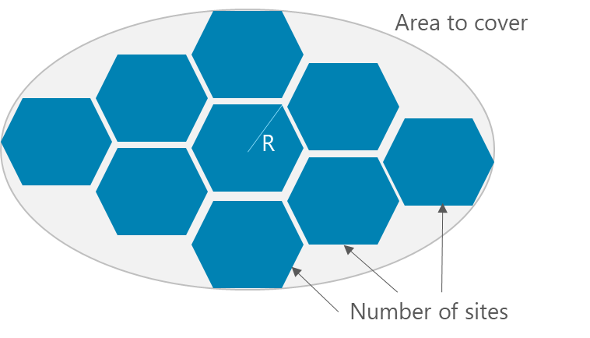
Area to cover [Km2] |  | 50

Cell Coverage Area [Km2] |  | 65.901

Minimum Number of Sites |  | 1

 |  |  | Carrier Bandwidth
 | Auxiliares |  | 1.4 | 72
 | Okumura | COST 231 | 3 | 180
A | 125.99753019 | 124.76858902 | 5 | 300
B | 36.378253528 | 36.378253528 | 10 | 600
C | 15 | 0 | 15 | 900
Cell Radius | 5.0364129664 | 2.1065384125 | 20 | 1200

